Sheet1
Number | Description | Behavior

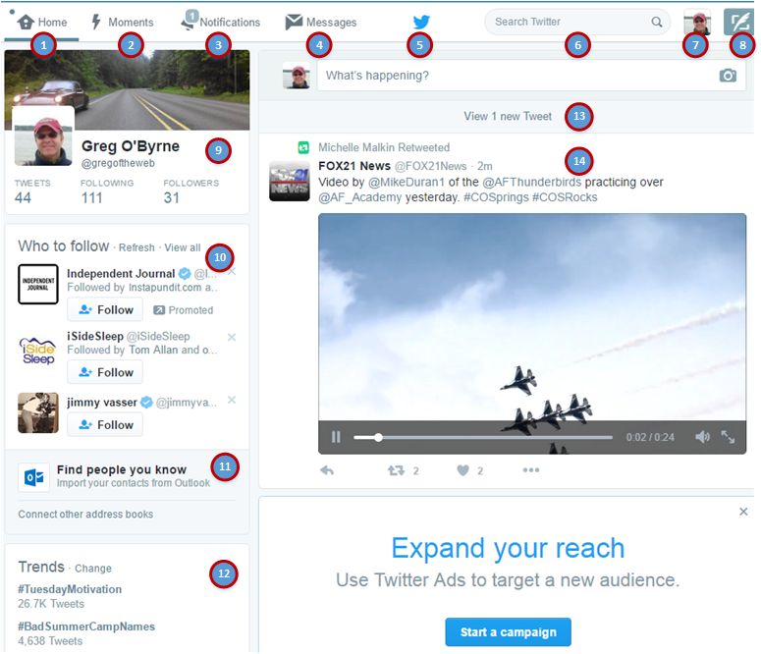
1 | Home Icon and link | Navigate to home page and refreshes the twitter stream

2 | Moments link | Navigates to this page: https://twitter.com/i/moments Which is the Twitter News Feed homepage.

3 | Notifications Link | Navigates to this page: https://twitter.com/i/notifications Which shows the latest activity on your account.
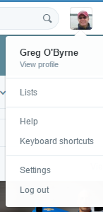
4 | Messages | Pops an interstitial showing messages directly to you.

5 | Twitter logo | Not active

6 | Search Twitter | Navigates to the SRP which retur

7 | Profile link | Opens Drop Down menu for Profile features

8 | New Tweet link | Opens up an interstitial with the compose dialog

9 | Profile Card | see detail sheet

10 | New people to follow | Algorithm pulls in people to follow.

11 | Search for people

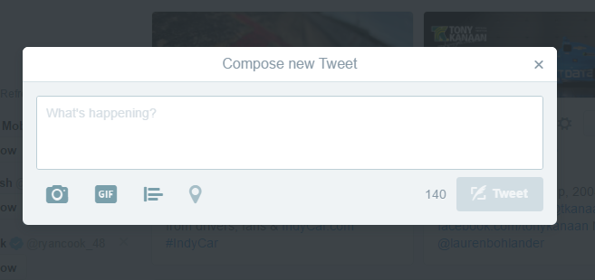
12 | Trending topics

13 | Refresh the tweet stream

14 | Tweet stream

